5_Manage Account
Project: |  | Version | 0.1 | Sprint | 2
Team: |  | Reviewed by
Document: | Sitemap | Approved by

 |  |  |  |  |  | Go to new arrival |  | Search for anything |  | Go to notification page
 |  |  |  |  | Go to the shop
 |  |  |  |  |  |  | Go to sale |  | Search by image |  | Go to shopping card page
 |  |  |  | Go to the home
 |  |  |  |  |  |  |  |  |  |  |  | Go to profile page

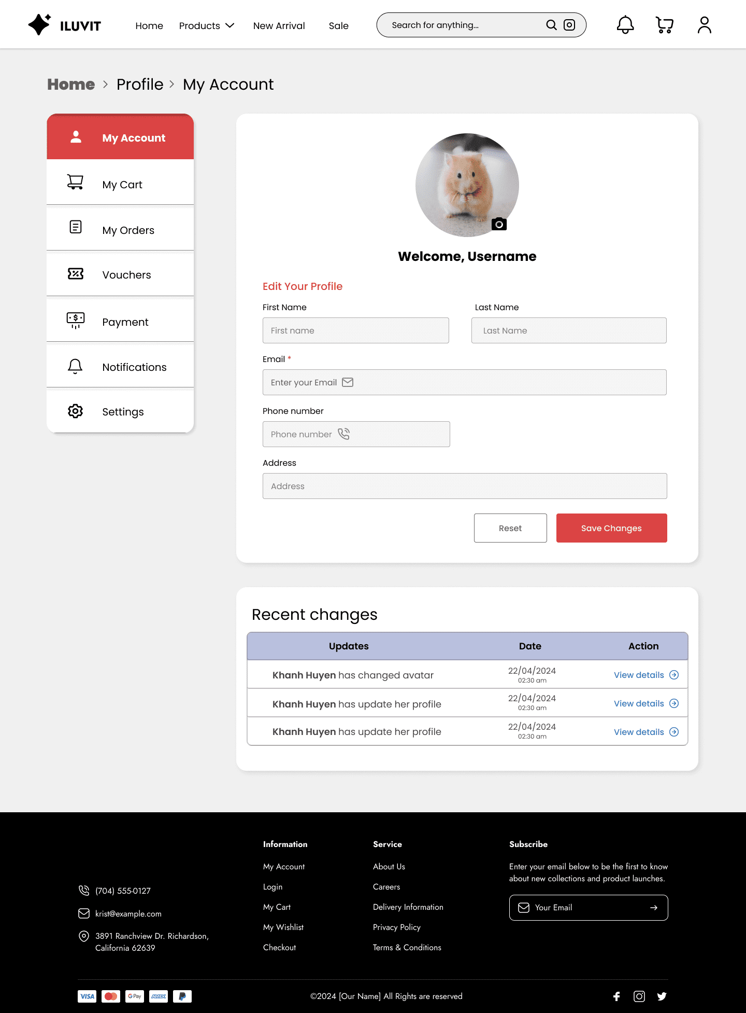

 |  |  |  |  |  |  |  |  |  |  |  |  |  | Avatar of user, click on it to change new image
 |  | Click here to see user account

 |  | Click here to see User's cart

 |  | Click here to see User's orders |  |  |  |  |  |  |  |  |  |  |  | Click here to edit information

 |  | Click here to see vouchers section

 |  | Click here to see payment section

 |  | Click here to see notifications section

 |  | Click here to see settings

 |  |  |  |  |  |  |  |  |  |  |  |  | Click here to save changes

 |  |  |  |  |  |  |  |  |  |  |  |  | Click here to reset

 |  | User can view recent changes
 |  |  |  |  |  |  |  |  |  |  |  |  | Click here to view details

6_View Shop page
Project: |  | Version | 0.1 | Sprint | 2
Team: |  | Reviewed by
Document: | Sitemap | Approved by |  |  |  |  |  | Search for anything |  | Go to notification page

 |  |  |  | Go to the products |  | Go to new arrival |  |  | Search by image |  | Go to shopping card page
 |  |  | Go to the home
 |  |  |  |  |  |  | Go to sale
 |  |  |  |  |  |  |  |  |  |  |  | Go to profile page
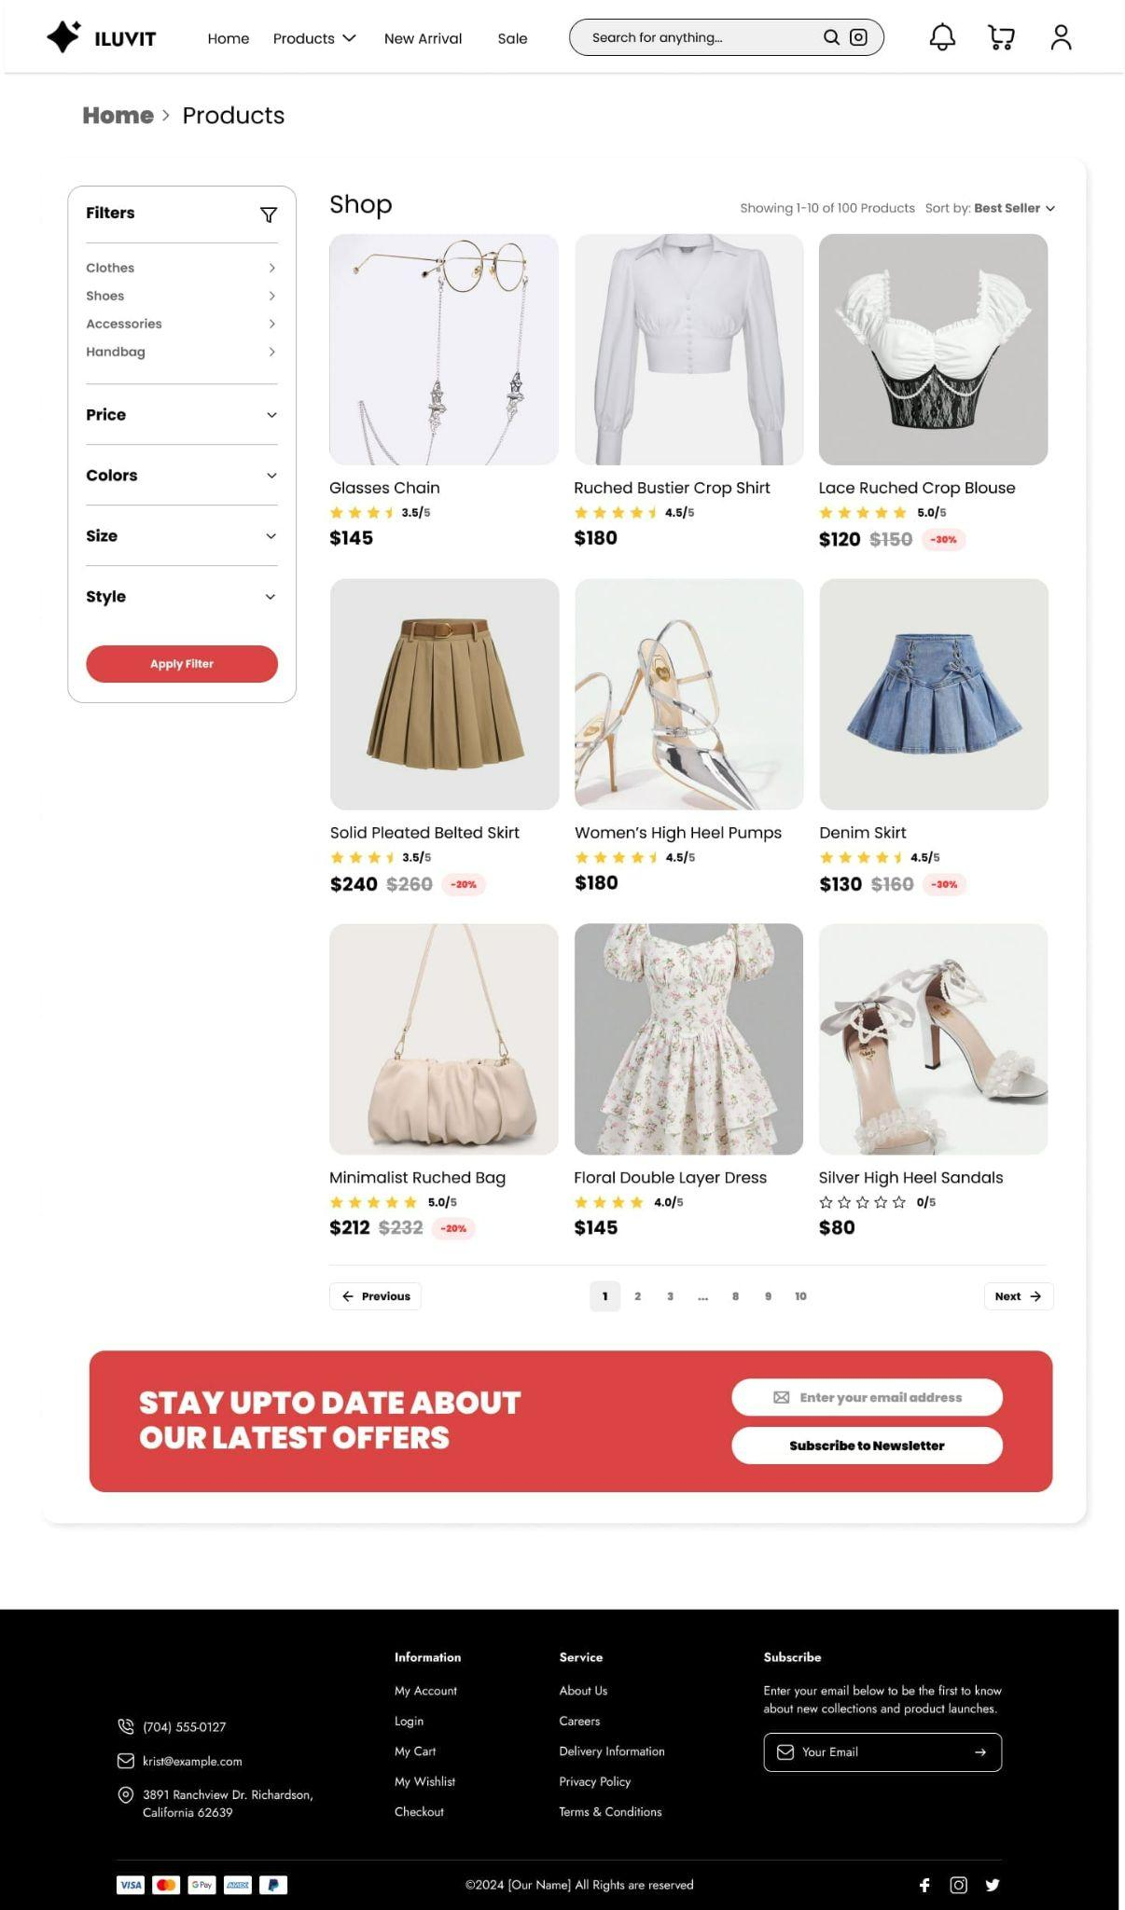
 | Go to the products

 |  |  |  |  |  |  |  |  |  |  |  |  | Showing best seller products

Users choose filters they want

 |  |  |  |  |  |  |  |  |  |  |  |  | The star rating shows the buyer's satisfaction with the products

 | Click here to Apply Filter
 |  |  |  |  |  |  |  |  |  |  |  |  | Product price and discount pricing

 |  |  |  |  |  |  |  |  |  |  |  |  | Click to enter your email address

 |  |  |  |  |  |  |  |  |  |  |  |  | Click to subscribe to newsletter

12_ Rate & Review
Project: |  | Version | 0.1 | Sprint | 2
Team: |  | Reviewed by
Document: | Sitemap | Approved by
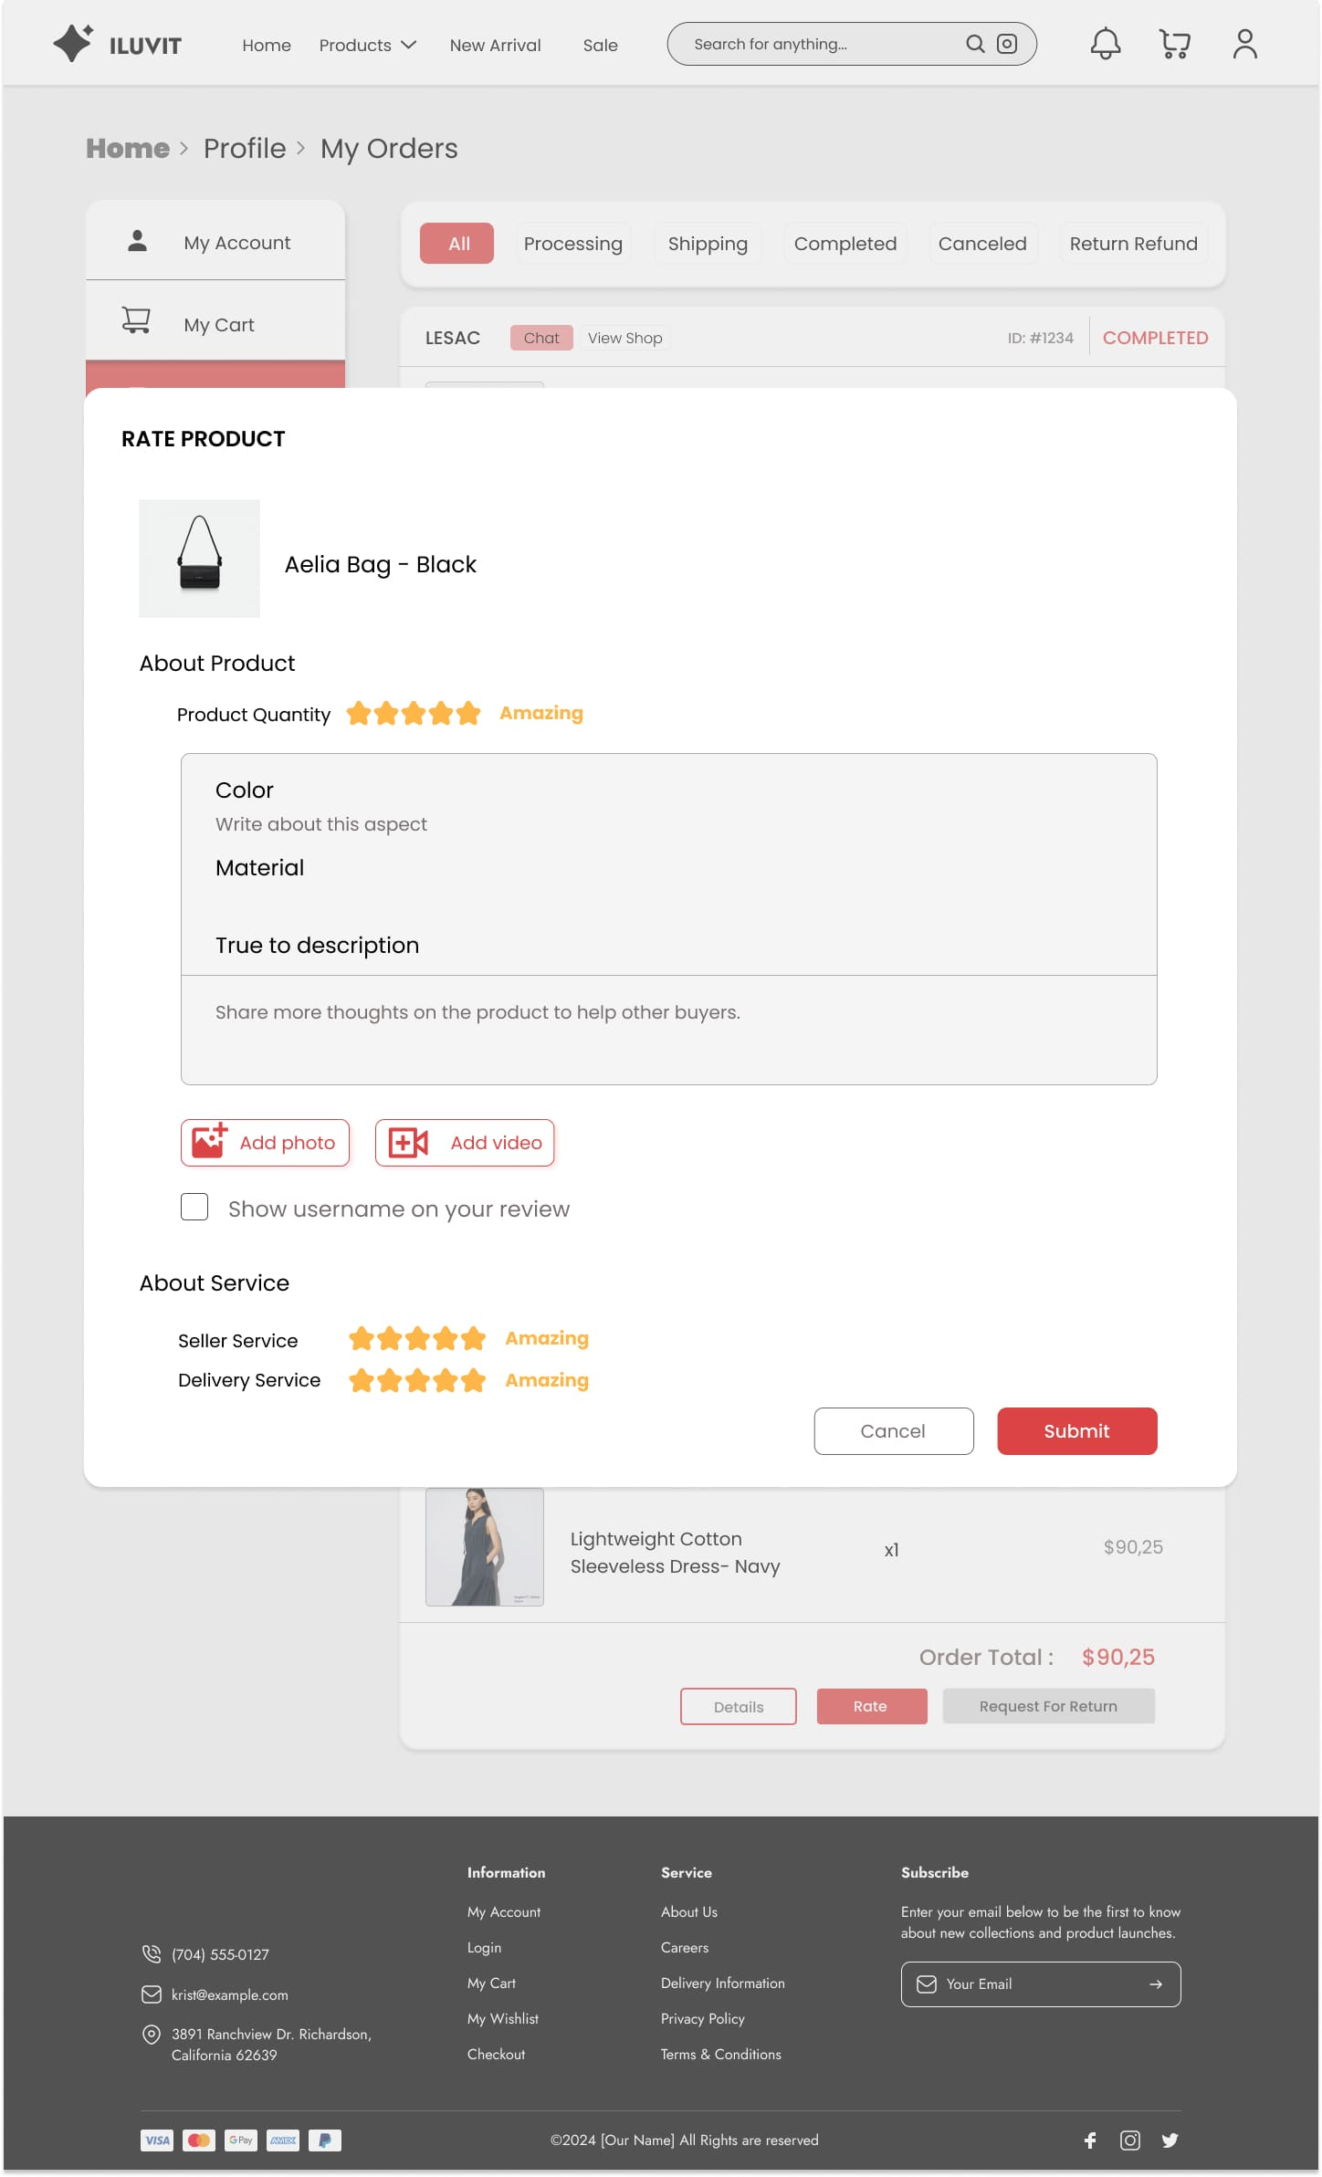

 | Click here to review products

 | Click here to add photo

 |  |  |  |  |  |  | Click here to add video

 | Click here to show username on the review

 | User click star to evaluate product

 |  |  |  |  |  | Click here to cancel |  | Click here to submit product quantity

17_Order Tracking
Project: |  | Version | 0.1 | Sprint | 2
Team: |  | Reviewed by
Document: | Sitemap | Approved by

 |  |  |  |  | Click to back the previous page

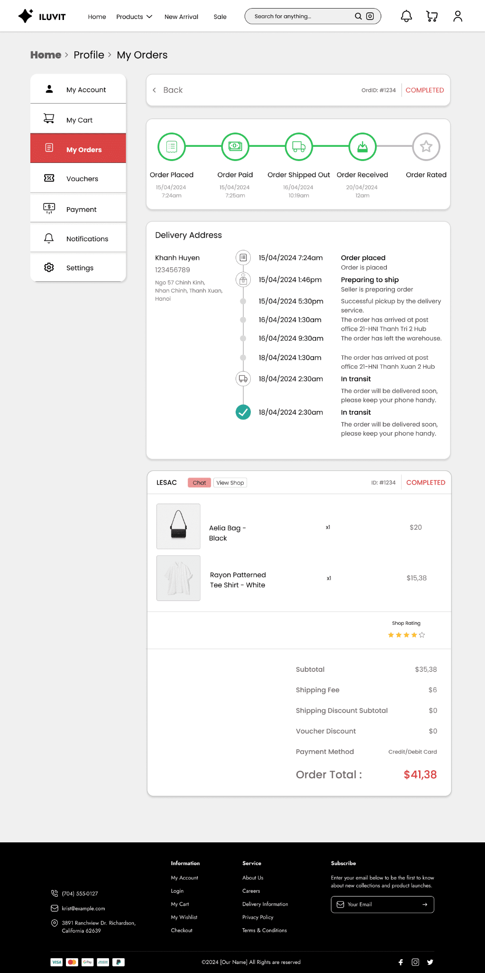

 |  |  |  |  |  | View order cycle

 |  |  |  |  |  | Shipping processes of the order

 |  |  |  |  |  | Shop Rating

29_Manage Account Buyer
Project: |  | Version | 0.1 | Sprint | 2
Team: |  | Reviewed by
Document: | Sitemap | Approved by
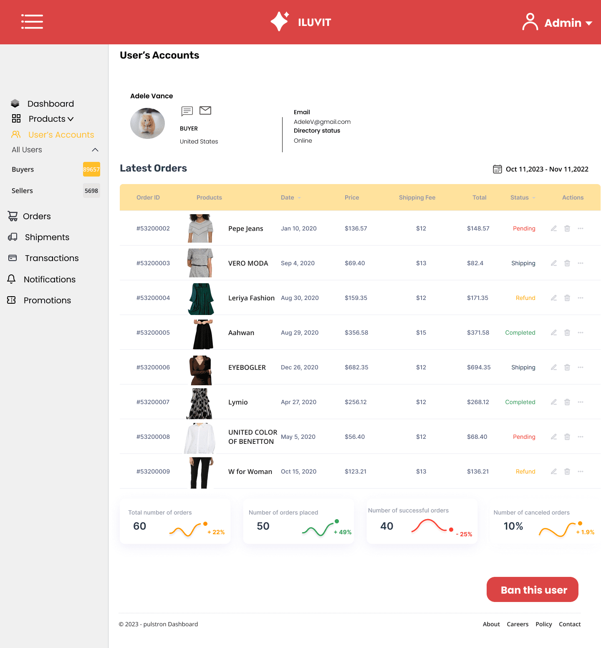

Admin can see information of buyer, and send email to buyer

Click to view number of buyers

 |  |  |  |  |  |  | Admin click here to ban user

 |  |  |  |  |  | \

